M.C.2.3
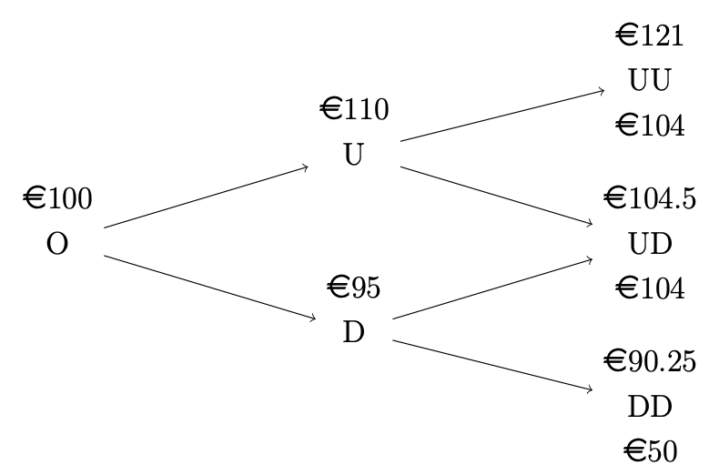
Mini-case 2.3
Data
Risk-free rate per period | 0.01
Number of priods per year | 2
Face Value (€) | 100
Lower bound for the full principal payment (€) | 104

Firm value
S0 | 100
Su | 110
Sd | 95
Suu | 121
Sud=Sdu | 104.5
Sdd | 90.25 | Solution
 |  | πu | 0.33
Bond value |  | (1-π)u | 0.67
V0 | ? | Vu | 102.97029703 | ?
Vuu | 104 | πd | 0.33
Vud=Vdu | 104 | (1-π)d | 0.67
Vdd | 50 | Vd | 67.326732673 | ?
 |  | π0 | 0.33
 |  | (1-π)0 | 0.67
 |  | V0 | 78.423683953 | ?

M.C.2.5
Mini-case 2.5
Given data
data\instrument | NASDAQ - 100 | NVIDIA Corp.
Current underlying price (S0, $) | 25000 | 190
Current option price (V0 €) | 6.47 | 13.47
Strike price (K, $) | 20800 | 140
Payoff ratio | 0.01 | 1

 | Long put on NASDAQ-100 |  | Strike price
15000 | 5800 | 20800 | 0
16000 | 4800
17000 | 3800
18000 | 2800
19000 | 1800
20000 | 800
21000 | 0
22000 | 0
23000 | 0
24000 | 0
25000 | 0
26000 | 0
27000 | 0
28000 | 0
The level of the underlying and the corresponding payoff |  |  | TASK 1a
NASDAQ - 100 | Payoff |  | The payoff profile of NASDAQ-100
15000 | 5800
16000 | 4800
17000 | 3800
18000 | 2800
19000 | 1800
20000 | 800
21000 | 0
22000 | 0
23000 | 0
24000 | 0
25000 | 0
26000 | 0
27000 | 0
28000 | 0

 | Long put on NVIDIA stock |  | Strike price
90 | 50 | 140 | 0
100 | 40
110 | 30
120 | 20
130 | 10
140 | 0
150 | 0
160 | 0
170 | 0
180 | 0
190 | 0
200 | 0
210 | 0
220 | 0
The level of the underlying and the corresponding payoff |  |  | TASK 1
NVIDIA Corp. | Payoff |  | The payoff profile of NVIDIA stock
90 | 50
100 | 40
110 | 30
120 | 20
130 | 10
140 | 0
150 | 0
160 | 0
170 | 0
180 | 0
190 | 0
200 | 0
210 | 0
220 | 0

TASK 2
Hedging
Data\Instrument | NASDAQ-100 | NVIDIA stock
Level after the 30%-decrease | 17500 | 133
Amount to hedge ($) | 10,000.00 | 10,000.00
Hedged per option ($) | 33 | 7
Number of each option needed | 303.03 | 1428.57

TASK 3
Comparing the price of 2 hedging strategies
Data\Instrument | NASDAQ-100 | NVIDIA stock
Price for the hedging strategy (€) | 1,960.61 | 19,242.86
Basically, the price difference has a couple of reasons. First of all, the nominal difference between strike prices and after-decrease-level of both underlyings on the market is vast. For the considered ETF it's 3300 ($ hedged) and for the given stock it's 7 ($ hedged). Even considering the payoff ratio of 0,01 we get 0,01 * 3300 = 33, which is anyway bigger than 7. Secondly, The price for the NVIDIA stock option is circa twice as large as the price for the NASDAQ option.

